BillOfMaterials
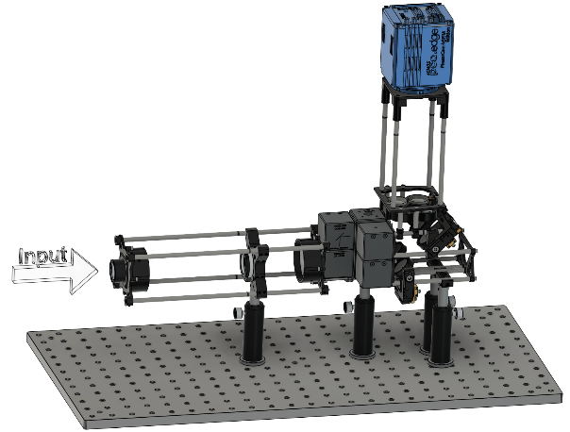
[ SHy-Cam Prototype Assambly ]

 |  |  |  |  |  |  | [42]

 | Part Count : | 155
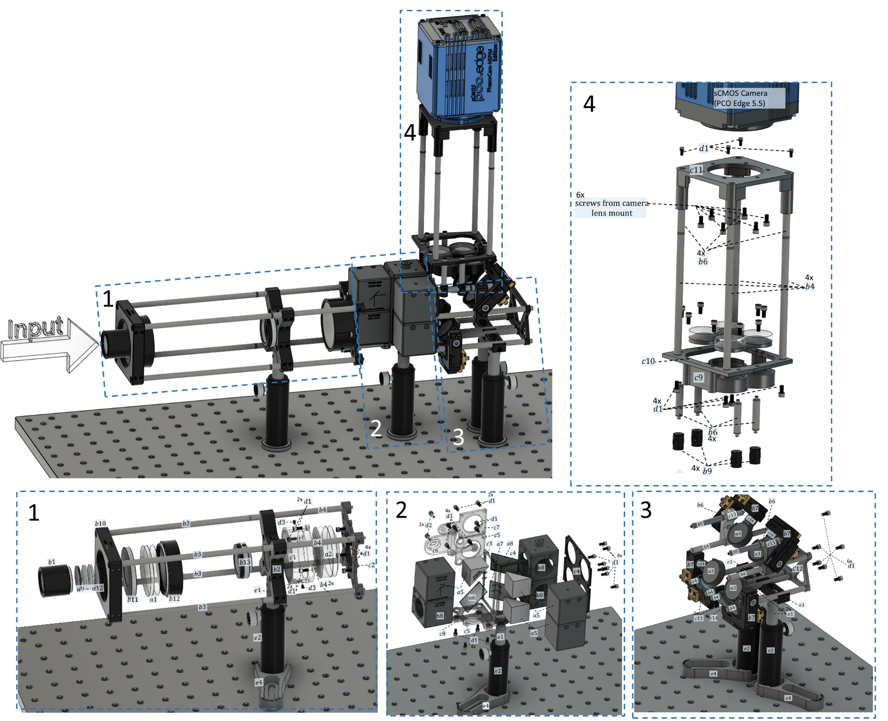
$${RL}_{1}$$
$${RL}_{2}$$
Category | Assambly Part # | Manufacture Part # | Part Name | Name in assambly | Link | Qty | Manufacture | Function
Optics | a1 | AC508-150-A | Ø2" Achromatic doublet, f=150mm, 400-700nm |  | https://www.thorlabs.com/thorproduct.cfm?partnumber=AC508-150-A | 1 | Thorlabs | Relay lens 1
Optics | a2 | AC508-075-A | Ø2" Achromatic doublet, f=75mm, 400-700nm |  | https://www.thorlabs.com/thorproduct.cfm?partnumber=AC508-075-A | 1 | Thorlabs | Relay lens 2
$${GM}_{1−4}$$
Optics | a3 | BB1-E02 - Ø1" | Braodband Dielectric Mirror, 400-750nm |  | https://www.thorlabs.com/thorproduct.cfm?partnumber=BB1-E02 | 4 | Thorlabs | Gimbal mirrors
$${TL}_{1−4}$$
Optics | a4 | 32-884 | Ø1" Achromatic doublet, f=175mm, 400-700nm |  | https://www.edmundoptics.com/p/25mm-dia-x-175mm-fl-mgfsub2sub-coated-achromatic-doublet-lens/2670/ | 4 | Edmund Optics | Tube lenses
$${RM}_{1−3}$$
Optics | a5 | CCM1-E02 | 30mm Cage Cube-Mounted Dielectric Tunning Mirror,400-750nm |  | https://www.thorlabs.com/thorproduct.cfm?partnumber=CCM1-E02 | 3 | Thorlabs | Roof mirros
$$BS$$
Optics | a6 | BSW10R | 50:50 Unpolarized Beadsplitter, 400-700nm |  | https://www.thorlabs.com/thorproduct.cfm?partnumber=BSW10R | 1 | Thorlabs | 50/50 beamsplitter
$${DM}_{S}$$
Optics | a7 |  | Custom Sine Dichroic Mirror, 400-700nm |  |  | 1 | Chroma | Cosine dichroic mirror
$${DM}_{C}$$
Optics | a8 |  | Custom Cosine Dichroic Mirror, 400-700nm |  |  | 1 | Chroma | Sine dichroic mirror
$$F_{LP380}$$
Optics | a9 | FF01-380/LP25 | Ø25mm unmounted 380nm Long-Pass Filter |  | https://www.semrock.com/filterdetails.aspx?id=ff01-380/lp-25 | 1 | Semrock | Long-pass filter in filter set F
$$F_{SP715}$$
Optics | a10 | FF01-715/SP-25 | Ø25mm unmounted 715nm Short-Pass Filter |  | https://www.semrock.com/filterdetails.aspx?id=ff01-715/sp-25 | 1 | Semrock | Short-pass filter in filter set F
$$F_{N488/647}$$
Optics | a11 | NF01-488/647-25x5.0 | Ø25mm unmounted dual-notch filter, 488/647nm |  | https://www.semrock.com/filterdetails.aspx?id=nf01-488/647-25x5.0 | 1 | Semrock | laser blocking filter in filter set F
$$F_{N641}$$
Optics | a12 | NF03-561E-25 | Ø25mm unmounted single-notch filter, 561nm |  | https://www.semrock.com/filterdetails.aspx?id=nf03-561e-25 | 1 | Semrock | laser blocking filter in filter set F
$${LT}_{F}$$
Optomechanics | b1 | SM1L10 | Ø1'' SM1 Lens Tube, 1,00'' Thread Depth |  | https://www.thorlabs.com/thorproduct.cfm?partnumber=SM1L10 | 1 | Thorlabs | filter set F housing
$$CPA$$
Optomechanics | b2 | LCP02 | 30mm to 60mm Cage Plate Adapter, 0.5'' thick |  | https://www.thorlabs.com/thorproduct.cfm?partnumber=LCP02 | 1 | Thorlabs | Mounting plate for field stop FS
$$ER6$$
Optomechanics | b3 | ER6 | Cage Assembly Rod, 6'' Long, Ø6mm |  | https://www.thorlabs.com/thorproduct.cfm?partnumber=ER6 | 4 | Thorlabs | Cage rod for relay lenses and field stop
$$ER4$$
Optomechanics | b4 | ER4 | Cage Assembly Rod, 4'' Long, Ø6mm |  | https://www.thorlabs.com/thorproduct.cfm?partnumber=ER4 | 14 | Thorlabs | Cage rod for relay lenses, field stop, gimbal mirror mounts, camera mount
$$ER1_5$$
Optomechanics | b5 | ER1.5 | Cage Assembly Rod, 1.5'' Long, Ø6mm |  | https://www.thorlabs.com/thorproduct.cfm?partnumber=ER1.5 | 2 | Thorlabs | Cage rod for gimbal mirror mounts
$$ER1$$
Optomechanics | b6 | ER1 | Cage Assembly Rod, 1'' Long, Ø6mm |  | https://www.thorlabs.com/thorproduct.cfm?partnumber=ER1 | 10 | Thorlabs | Cage rod for gimbal mirror mounts, camera mount
$$GMM$$
Optomechanics | b7 | KC45D | Cage Assembly Turret (Gimbal) Mount |  | https://www.thorlabs.com/thorproduct.cfm?partnumber=KC45D#ad-image-0 | 4 | Thorlabs | Gimbal mirror mounts for gimbal mirrors GM1-4
$$DCM$$
Optomechanics | b8 | CM1-DCH | 30mm Cage Cube with DIcroic Filter Mount |  | https://www.thorlabs.com/thorproduct.cfm?partnumber=CM1-DCH | 3 | Thorlabs | Dicroic cube mount for sinusoidal dichroics and 50/50 beamsplitter
$$RRB$$
Optomechanics | b9 | ER90B | Ø6mm Cage Assembly Rod Right Angle Bracket |  | https://www.thorlabs.com/thorproduct.cfm?partnumber=ER90B | 4 | Thorlabs | Connecting bracket of cage rods holding tube lens mount and gimbal mirror mounts
$$LCP01$$
Optomechanics | b10 | LCP01 | 60mm Cage Plate, SM2 Threads, 0.5'' Thick |  | https://www.thorlabs.com/thorproduct.cfm?partnumber=LCP01 | 1 | Thorlabs | Mounting plate for relay lens (RL1) tube
$$SM2A6$$
Optomechanics | b11 | SM2A6 | SM2 (external) to SM1 (internal) Thread Adapter |  | https://www.thorlabs.com/thorproduct.cfm?partnumber=SM2A6 | 1 | Thorlabs | Adapter for connecting filter set housing to relay lens (RL1) tube mounting plate
$$SM2L05$$
Optomechanics | b12 | SM2L05 | SM2 Lens Tube. 0.5'' Thread Depth |  | https://www.thorlabs.com/thorproduct.cfm?partnumber=SM2L05 | 1 | Thorlabs | Lens tube for relay lens RL1
$$FS$$
Optomechanics | b13 | SM1D12C | SM1 Graduated Ring-Actuated Iris Diaphragm |  | https://www.thorlabs.com/thorproduct.cfm?partnumber=SM1D12C#ad-image-0 | 1 | Thorlabs | Field stop
$${LT}_{RL2}$$
Optomechanics (3D Printed) | c1 |  | 2'' Lens Tube for Relay Lens for RL2 |  |  | 1 |  | Lens tube for relay lens RL2
$$MP$$
Optomechanics (3D Printed) | c2 |  | 2'' Lens Tube and Cube Mating Plate |  |  | 1 |  | Mating plate for relay lens (RL2) tube and 50/50 beamsplitter cube
$${CSP}_{1.2}$$
Optomechanics (3D Printed) | c3 |  | Dicroic Cube Spacer, 1.2mm thick |  |  | 1 |  | Spacer for dicroic cubes
$${CSP}_{2.7}$$
Optomechanics (3D Printed) | c4 |  | Dicroic Cube Spacer, 2.7mm thick |  |  | 1 |  | Spacer for dicroic cubes
$${CMP}_{1}$$
Optomechanics (3D Printed) | c5 |  | Cube Mounting Plate 1 |  |  | 2 |  | Coupling plate for dichroic cubes
$${CMP}_{2}$$
Optomechanics (3D Printed) | c6 |  | Cube Mounting Plate 2 |  |  | 2 |  | Coupling plate for dichroic cubes
$${CMP}_{3}$$
Optomechanics (3D Printed) | c7 |  | Cube Mounting Plate 3 |  |  | 1 |  | Coupling plate for dichroic cubes
$${CMP}_{4}$$
Optomechanics (3D Printed) | c8 |  | Cube Mounting Plate 4 |  |  | 1 |  | Coupling plate for dichroic cubes
$$TLM$$
Optomechanics (3D Printed) | c9 |  | Tube Lens Mount |  |  | 1 |  | Integrated lens mount for four tube lenses
$$TCMP$$
Optomechanics (3D Printed) | c10 |  | Tube Lens Mount and Camera Mouny Mating Plate |  |  | 1 |  | Mating plate for tube lens mount and cage rods going to camera mount
$$CM$$
Optomechanics (3D Printed) | c11 |  | Camera Mount (PCO Edge 5.5) |  |  | 1 |  | Mount for PCO Edge 5.5 camera
$$CRMP$$
Optomechanics (3D Printed) | c12 |  | Cage rod supporting plate |  |  | 1 |  | Mount and support the cage rods for gimbal mirror mount
$$MGMRM$$
Optomechanics (3D Printed) | c13 |  | Modified gimbal mirror rod mount |  |  | 4 |  | Rod mount for b7 which provides larger clearance for mirror
Optomechanics (3D Printed) | c14 |  | Modified gimbal mirror mount | MGMM |  | 4 |  | Modifide gimbal mirror (a3) mount which aligns the mirror surface with the rotational axis
$$SH4S025$$
Fastener | d1 | SH4S025 | 4-40 Cap Screw, 1/4'' Long |  | https://www.thorlabs.com/thorproduct.cfm?partnumber=SH4S025 | 46 | Thorlabs | Fastener for dichroic cubes, cage rods and camera mount
$$SH8S038$$
Fastener | d2 | SH8S038 | 8-32 Cap Screw, 3/8'' Long |  | https://www.thorlabs.com/thorproduct.cfm?partnumber=SH8S038 | 4 | Thorlabs | Fastener for dichroic cubes, 1/2 inch posts
$$SS4N013$$
Fastener | d3 | SS4N013 | 4-40 Nylon-Tipped Setscrew, 1/8'' Long |  | https://www.thorlabs.com/thorproduct.cfm?partnumber=SS4N013 | 2 | Thorlabs | Fastener for relay lens (RL2) to lens tube
$$TR3$$
Optomechanic (table mounting) | e1 | TR3 | Ø1/2" Optical Post, 3'' Long |  | https://www.thorlabs.com/thorproduct.cfm?partnumber=TR3 | 4 | Thorlabs | 1/2 inch post for mounting SHy-Cam
$$PH3E$$
Optomechanic (table mounting) | e2 | PH3E | Ø1/2" Pedestal Post Holder, 3.19'' Long |  | https://www.thorlabs.com/thorproduct.cfm?partnumber=PH3E#ad-image-0 | 4 | Thorlabs | 1/2 inch post holder
$$CPMA2$$
Optomechanic (table mounting) | e3 | CPMA2 | 30 mm Cage Mounting Bracket |  | https://www.thorlabs.com/thorproduct.cfm?partnumber=CPMA2 | 2 | Thorlabs | Bracket for holding the cage rods to the 1/2 inch posts
$$PCF$$
Optomechanics | e4 | CF125 | Ø1/2" Optical Post Holder Clamping Fork |  | https://www.thorlabs.com/thorproduct.cfm?partnumber=CF125#ad-image-1 | 4 | Thorlabs | Clamp for Ø1/2" Optical Post Holder onto optical table
 |  |  | Total |  |  | 155

